1.Extra Tree Regressor
 | EXTRA TREE REGRESSORS |  | REFERENCE

 |  |  | ⇰REFERENCE (Website)-->Scikit Learn Regarding Thereotical & Conceptual Understanding of Extra Tree Regressors

 |  |  | ⇰REFERENCE (Website)-->Geeks for Geeks Regarding Thereotical & Conceptual Implementation of Extra Tree Model | ⇰REFERENCE (Excel Sheet)-->2.11(ii) Extra Trees Classifiers Regarding Conceptual Understanding of Extra Trees Classifiers
①metaestimator (REFERENCE) =>(Girenz GitHub)⇒A meta-estimator in the context of machine learning refers to a specialized algorithm or method that is used to enhance the predictive performance of a model by combining or aggregating the predictions of multiple base estimators or models. | ⇰According to Scikit Learn Extra Tree implements a meta estimator that fits a number of randomized decision trees (a.k.a. extra-trees) on various sub-samples of the dataset and uses averaging to improve the predictive accuracy and control over-fitting.

 | ⇰According to Geeks for Geeks Extremely Randomized Trees Regressor (Extra Trees Regressor) is a type of ensemble learning technique which aggregates the results of multiple de-correlated decision trees collected in a “forest” to output it’s continuous or regression based result. In concept, it is very similar to a Random Forest Classifier and only differs from it in the manner of construction of the decision trees (Because Values Selection Based off Splitting of Root Node does create more generalized or Non Correlated Trees) in the forest. Each Decision Tree in the Extra Trees Forest is constructed from the original training sample.

 | ◅NOTE (POINTS TO NOTE)
①metaestimator (Reference Udemy)⇒boosting is technically a meta learning algorithm that can be applied to really any machine learning algorithm, not just the decision trees, but we'll see why decision trees are such a well-suited algorithm for boosting. | ⇰The Concept of Boosting is not actually a Machine Learning Algorithm, It is Methodology applied to an existing machine learning algorithm most commonly applied to Decision Tree . |  | ⇰REFERENCE (Website)-->Udemy Regarding Conceptual Understanding of Ada Boosting Models & Boosting ⇒Meta Estimators

 | ⇰However, it's most commonly applied to the Decision Tree because that's where it yields the best results & so often Boosting is actually referred to as Meta Learning instead of Machine Learning because really it's a process where you decide to insert any Machine Learning Algorithm.

 | ▣WORKING FOR RANDOM FOREST ALGORITHM

 | ⇰Before understanding the working of the random forest algorithm in machine learning, we must look into the ensemble learning technique.Ensemble simply means combining multiple models. Thus a collection of models is used to make predictions rather than an individual model. ⇰Ensemble uses two types of methods: ▣Bagging– It creates a different training subset from sample training data with replacement & the final output is based on majority voting. For example, Random Forest. ▣Boosting– It combines weak learners into strong learners by creating sequential models such that the final model has the highest accuracy. For example=>ADA BOOST, XG BOOST. | 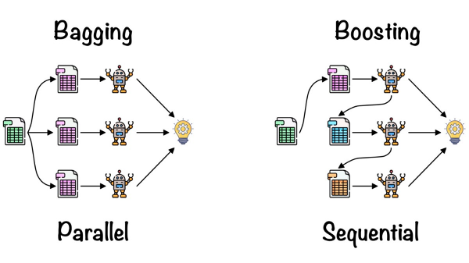 | ⇰REFERENCE (Website)-->Analytics Vidhya Regarding Thereotical & Conceptual Understanding of Random Forest Models & Working of Random Forest Algorithm

 | ▣TWO WAYS FOR FINDING OUT BEST ET MODELS WITH MINIMUM ERRORS

 | ❶ET(Extra Tree Regressors) MODEL +GRID SEARCH CV

 | ❷ET(Extra Tree Regressors) MODEL (ERRORS VS NO OF ESTIMATORS) (ELBOW METHODS)

2.Hyper Param of ET Regressor
HYPER PARAMETERS FOR ET (EXTRA TREE) REGRESSORS WITH GRID SEARCH CV |  |  |  |  | REFERENCE

 |  |  |  |  | ⇰REFERENCE (Website)-->Scikit Learn Regarding Thereotical & Conceptual Understanding of Various Hyper Parameter For Extra Tree Regressors

IMPERATIVE /FUNDAMENTAL HYPER PARAMETER FOR EXTRA TREE REGRESSOR MODEL |  |  |  |  | ⇰REFERENCE (Website)-->Udemy Regarding Thereotical & Conceptual Understanding of Parameter =>n_estimators for Extra Tree Regressors | ⇰REFERENCE (Website)-->Towards Data Science Regarding Thereotical & Conceptual Understanding of Parameter n_estimators for Random Forest Classification

⇰n_estimators:int, default=100 ❶The number of trees in the forest. ❷Basically in Simple Words n_estimators parameter specifies the number of trees in the forest of the model. The default value for this parameter is 10, which means that 10 different decision trees will be constructed in the Extra Tree Regressors. |  |  | 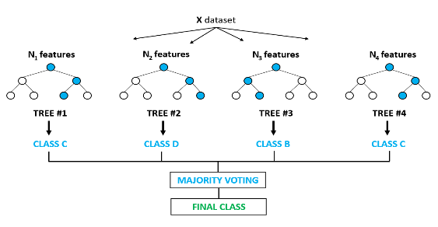

 |  |  |  |  | ⇰REFERENCE (Website)-->Scikit Learn Regarding Thereotical & Conceptual Understanding of Various Hyper Parameter For Extra Tree Regressors
 |  |  |  |  |  | ⇰REFERENCE (Website)-->Rspiro Regarding Thereotical & Conceptual Understanding of Various Hyper Parameter for Random Forest

❸According to Udemy Now, intuitively, we know the more decision trees that is, the more number of estimators we have in the Extra Tree Regressors, then the more opportunities to learn from a variety of feature subset combinations.We already know that each decision tree based off that random sub selection is going to look different than previous decision trees.

⇰bootstrap:bool, default=False ❶According to Scikit Learn Bootstraping's purpose is to Whether bootstrap samples are used when building trees. If False, the whole dataset is used to build each tree.
 |  |  |  |  | ⇰REFERENCE (Website) ->Udemy Regarding Thereotical & Conceptual Understanding of Hyper Parameter =>Bootstrapping

❷According to Udemy Bootstrapping basically is just a term used to describe the process of random sampling with replacement. Bootstrapping allows us to further differentiate those trees, meaning we can also bootstrap a selection of rows for each split & this actually results then in two randomized training components each time you're creating a decision tree and upon each split, instead of also just selecting a subset of features, you're going to bootstrap rows of data. |  |  | 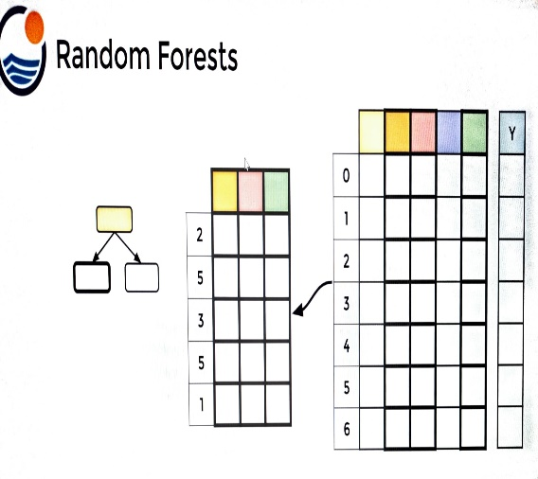

 |  |  |  |  | ⇰REFERENCE (Website)-->Towards Data Science Regarding Thereotical & Conceptual Understanding of Hyper Parameter n_estimators for Random Forest Classification

❸This Results in 2 Randomized Training Components :- ▣ Subset of Features Used ▣BootStrapped Row of Data

①What is Bagging ? & OOB Score ?
 |  |  |  |  | ⇰REFERENCE (Website)-->Rspiro Regarding Thereotical & Conceptual Understanding of Various Hyper Parameter for Random Forest
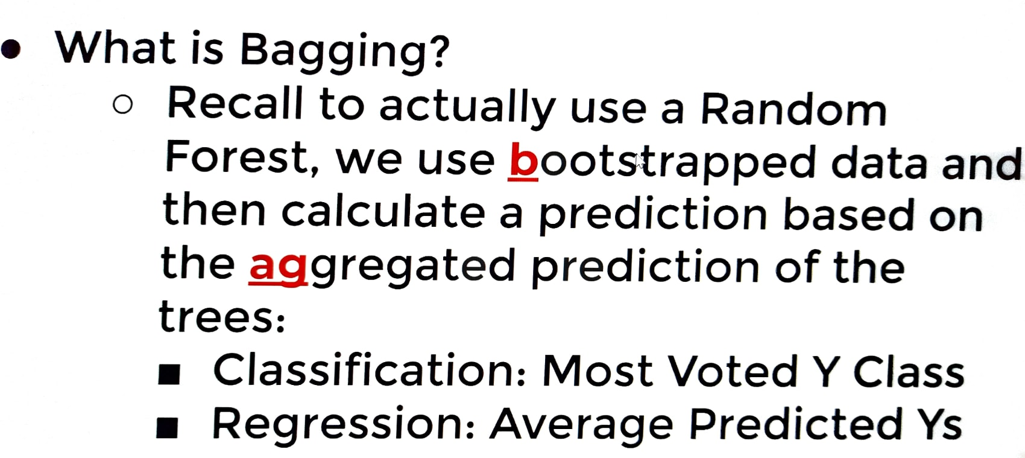

 |  |  |  |  | ⇰REFERENCE (Website) ->Udemy Regarding Thereotical & Conceptual Understanding of Parameter =>Bagging

∎(bagging) (Udemy)-->If we performed bootstrapping when building out trees, this means that for certain trees, certain rows of data were not used for training.& if you have a large enough data set with enough rows, typically just statistically, the sampling is going to lead to the fact that about approximately one third of your data will not be used for the creation of or training of a particular tree. ∎(Udemy))--> That means this particular decision tree in our random forest using bootstrapped sampling has never seen Row zero (0) or Row four (4) or Row six (6), which would mean it's actually good test data.We could actually calculate its error on this data that it's never seen before So what we could do is grab the rows that were not used during the creation of this decision tree Rows ->zero(0) ,four (4) & six (6) and use those in order to calculate some sort of test metric.So again, these are known as the out of bag samples.They were not used for constructing some trees and we could use these to get performance test metrics on trees. |  |  | 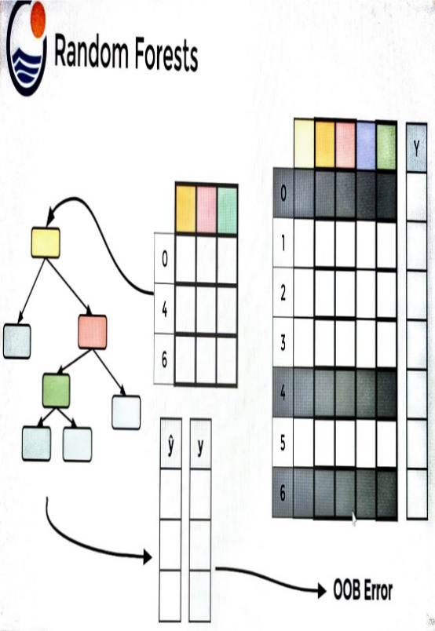

 |  |  |  |  | ⇰REFERENCE (Website)-->Scikit Learn Regarding Thereotical & Conceptual Understanding of Various Hyper Parameter For Extra Tree Regressors

⇰NOTE
▣OOB _Score As Hyper Parameter Can only be used in Random Forest Model Because of Bagging (Bootstrapping) in Which Portion of Whole Dataset is Used for Training & Rest can be used for Performance Evaluation While in Boosting Based Models (Adaptive Boosting , Gradient Boosting , XGB, LightGBM) converting multiple weak learners into a single strong learning model.

⇰oob_score:bool or callable, default=False (out of bag error score) ❶Whether to use out-of-bag samples to estimate the generalization score. By default, accuracy_score is used. Provide a callable with signature metric(y_true, y_pred) to use a custom metric. Only available if bootstrap=True. ❷According to Udemy (Note) :- ▣Note That OOB Score is Hyper parameter that doesn't really affect training process. ▣Basically in Simple words it is separate from bootstrapping , OOB Score is an optional way of measuring performance , an alternative to using a standard TRAIN|TEST|SPLIT , since bootstrapping naturally used in unused data during training. ▣Due to Not using Entire Extra Tree Regressors the default value of OOB Score Hyper Parameter is set to False.

 |  |  |  |  | ⇰REFERENCE (Website)-->Udemy Regarding Thereotical & Conceptual Understanding of Hyper Parameter of OOB_Score

SUPPORTING HYPER PARAMETER SAME AS IN DT (EXTRA TREE REGRESSORS MODEL)

⇰criterion{“squared_error”, “friedman_mse”, “absolute_error”, “poisson”}, default=”squared_error” ❶The function to measure the quality of a split. Supported criteria are “squared_error” for the mean squared error (MSE), which is equal to variance reduction as feature selection criterion and minimizes the L2 loss using the mean of each terminal node, “friedman_mse”, which uses mean squared error with Friedman’s improvement score for potential splits, “absolute_error” for the mean absolute error, which minimizes the L1 loss using the median of each terminal node, and “poisson” which uses reduction in Poisson deviance to find splits. |  |  |  |  | ⇰REFERENCE (Website)-->Scikit Learn Regarding Thereotical & Conceptual Understanding of Various Hyper Parameter For Extra Tree Regressors

 |  |  |  |  | ⇰REFERENCE (Website)-->Udemy Regarding Thereotical & Conceptual Implementation for Performance Evaluation (MSE, MAE )
 |  |  |  |  |  | ⇰REFERENCE (Website)-->Wikipedia Regarding Thereotical & Conceptual Implementation of Poisson Distribution

▣Mean Absolute Error-->(MAE) is the mean of the absolute value of the errors between actual and predicted values.The closer MAE is to 0, the more accurate the model is. | ▣Mean Square Error-->Mean Squared Error (MSE) is the mean of the squared errors There is no correct value for MSE. Simply put, the lower the value the better and 0 means the model is perfect. Since there is no correct answer. |  |  | ▣The Poisson distribution is a discrete distribution that measures the probability of a given number of events happening in a specified time period.

 |  |  |  |  | ⇰REFERENCE (Website)-->StatisticsShow To Regarding Practical (Coding) of Absolute Error & Mean Absolute Error (MAE) | ⇰REFERENCE (Website)-->Durham University Regarding Thereotical & Conceptual Understanding of Poisson Distribution

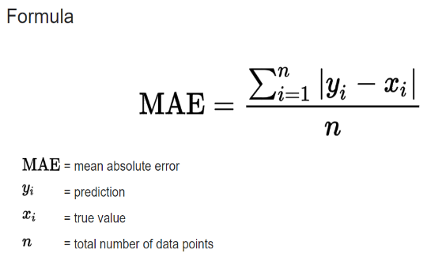
 | 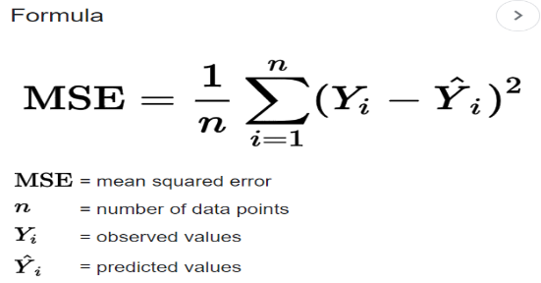 |  |  | 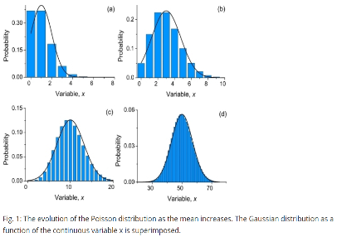

 |  |  |  |  | ⇰REFERENCE (Website)-->Quora Regarding Thereotical & Conceptual Understanding of Internal Node Vs Leaf Node | ⇰REFERENCE (Website)-->Stackoverflow Regarding Thereotical & Conceptual Understanding of internal Node Vs Leaf Node

⇰max_depth:int, default=None (PRUNING)
❶The maximum depth of the tree. If None, then nodes are expanded until all leaves are pure or until all leaves contain less than min_samples_split samples. ❷According to Udemy It is mandating a maximum depth of our decision tree.So what we can do here is decide that we only want the decision tree to have a depth of two potential split layers, essentially splitting off the root node and then splitting off of those nodes. Anything further down than that, we're going to go ahead and prune or cut off so we can mandate a maximum depth of the tree, which would mean that we would just go back up and make those terminal or leaf nodes instead of decision nodes. |  |  |  | 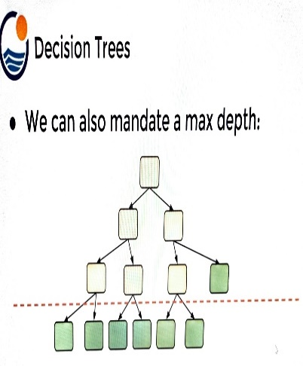

 |  |  |  |  | ⇰REFERENCE (Website)-->Udemy Regarding Thereotical & Conceptual Understanding of Hyper Parameter-> Max_Depth

▣internal node Vs leaf node |  |  |  |  | ⇰REFERENCE (Website)-->Quora Regarding Thereotical & Conceptual Understanding of Internal Node Vs Leaf Node | ⇰REFERENCE (Website)-->Stackoverflow Regarding Thereotical & Conceptual Understanding of internal Node Vs Leaf Node

❶A leaf node is a node that has no children. A node that does have children is known as an internal node. The root is an internal node, except in the special case of a tree that consists of just one node .

 |  |  |  |  | ⇰REFERENCE (Website)-->Stackoverflow Regarding Thereotical & Conceptual Understanding of min_samples_split and min_samples_leaf in Decision Tree Classifier | ⇰REFERENCE (Website)-->Ytho Python Regarding Conceptual & Practical Understanding of Diff in Between Min_sample Leaf Vs Min Sample Split

⇰min_samples_split:int or float, default=2
❶The minimum number of samples required to split an internal node: ▣If int, then consider min_samples_split as the minimum number. ▣If float, then min_samples_split is a fraction and (min_samples_split *n_samples) are the minimum number of samples for each split. ∎So in Simple Words We will Understand This with Example If min_samples_split=10 Then It means There Will be no Splitting At Decision Node Unless If Samples is Less than 10 Here in This Chart we can see where gini=0.4444 Concurrently Samples=6 So from that there is no splitting & Because of Condition If samples < 10 Then No Splitting from Decision Node Ultimately it will become Terminal Node. |  | 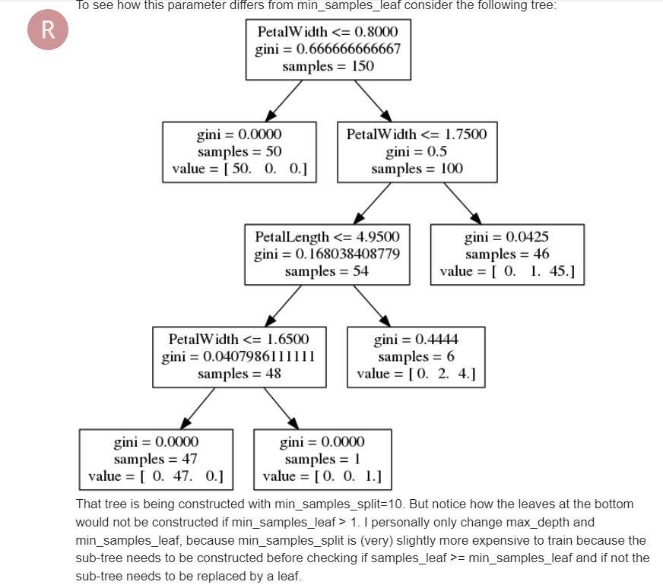

 |  |  |  |  | ⇰REFERENCE (Website)-->Analytics Vidhya Regarding Thereotical & Conceptual Understanding of Param min_sample_split in Decision Tree

 |  |  |  |  | ⇰REFERENCE (Website)-->Scikit Learn Regarding Thereotical & Conceptual Understanding of Various Hyper Parameter For Extra Tree Regressors

⇰min_samples_leaf:int or float, default=1
❶The minimum number of samples required to be at a leaf node. A split point at any depth will only be considered if it leaves at least min_samples_leaf training samples in each of the left and right branches. This may have the effect of smoothing the model, especially in regression. ▣If int, then consider min_samples_leaf as the minimum number. ▣If float, then min_samples_leaf is a fraction and ceil (min_samples_leaf * n_samples) are the minimum number of samples for each node. ∎So in Simple Words We will Understand This with Example If min_samples_leaf=2 Then there will be no splitting at Decision Node In this Chart where gini=0 & sample =1 But There is No Splitting because min_sample_leaf is set=2 & Main Condition is Both Branches (Left & Right) 's samples >2.If Any one Of Branches 's samples<2 Then it will become Leaf (Terminal node)
 |  |  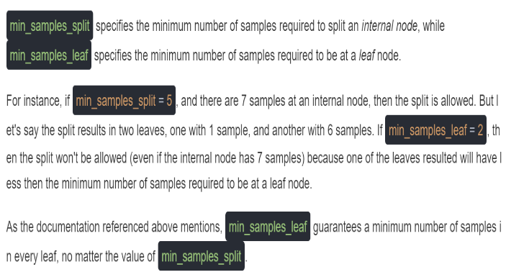

 |  |  |  |  | ⇰REFERENCE (Website)-->Analytics Vidhya Regarding Thereotical & Conceptual Understanding of Param min_sample_split in Decision Tree | ⇰REFERENCE (Website)-->Ytho Python Regarding Conceptual & Practical Understanding of Diff in Between Min_sample Leaf Vs Min Sample Split

 |  |  |  |  | ⇰REFERENCE (Website)-->Stackoverflow Regarding Thereotical & Conceptual Understanding of min_samples_split and min_samples_leaf in DecisionTreeClassifier

▣Min Sample Leaf Vs Min Sample Split
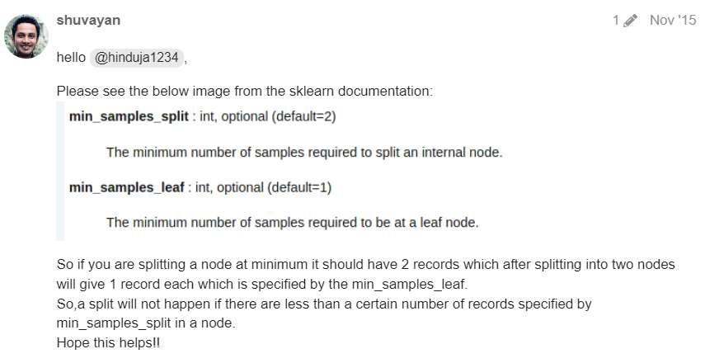  |  |  |  |  | ⇰REFERENCE (Website)-->Analytics Vidhya Regarding Thereotical & Conceptual Understanding of Param min_sample_split in Decision Tree | ⇰REFERENCE (Website)-->Ytho Python Regarding Conceptual & Practical Understanding of Diff in Between Min_sample Leaf Vs Min Sample Split

⇰max_features:int, float or {“auto”, “sqrt”, “log2”}, default=None
❶The number of features to consider when looking for the best split:- ▣If int, then consider max_features features at each split. ▣If float, then max_features is a fraction and max(1, int(max_features * n_features_in_)) features are considered at each split. ▣If “sqrt”, then max_features=sqrt(n_features). ▣If “log2”, then max_features=log2(n_features). ▣If None, then max_features=n_features. ❷Basically in Simple Words max_features The number of features to consider when looking for the best split (Responsible for Root Node).If this value is not set, the decision tree will consider all features available to make the best split. Depending on your application, it's often a good idea to tune this parameter.

 |  |  |  |  | ⇰REFERENCE (Website)-->Scikit Learn Regarding Thereotical & Conceptual Understanding of Various Hyper Parameter For Extra Tree Regressors

 |  |  |  |  | ⇰REFERENCE (Website)-->Medium (Towards Data Science) Regarding Thereotical & Conceptual Understanding of Hyper Param =>max_features

⇰max_leaf_nodes:int, default=None
❶Grow a tree with max_leaf_nodes in best-first fashion. Best nodes are defined as relative reduction in impurity. If None then unlimited number of leaf nodes. ❷Maximum number of leaf nodes a decision tree can have. Basically in Simple Words We can adjust Maximum No of Leaf Nodes (Terminal Nodes) at End of Decision Tree For Ex In This Decision Tree we set max_leaf_nodes=2 so we can see in this figure We have 2 Leaf Nodes (Terminal Nodes). |  | 

 |  |  |  |  | ⇰REFERENCE (Website)-->Analytics Vidhya Regarding Thereotical & Conceptual Understanding of param max_leaf_nodes in Decision Tree

⇰random_state:int, RandomState instance or None, default=None
▣Controls 3 sources of randomness: ❶The bootstrapping of the samples used when building trees (if bootstrap=True). ❷The sampling of the features to consider when looking for the best split at each node (if max_features < n_features). ❸The draw of the splits for each of the max_features. ❹Basically in Simple Words Every time you Run Your Model it will create New Decision Tree & Having New Parameter & New Random Features so to Control That We need to Put random_state:int . |  |  |  |  | ⇰REFERENCE (Website)-->Scikit Learn Regarding Thereotical & Conceptual Understanding of Various Hyper Parameter For Extra Tree Regressors

⇰n_jobs:int, default=None ❶Number of CPUs to use during the cross validation. None means 1 unless in a joblib.parallel backend. ❷The maximum number of concurrently running jobs, such as the number of Python worker processes when backend=”multiprocessing” or the size of the thread-pool when backend=”threading”. If -1 all CPUs are used. If 1 is given, no parallel computing code is used at all, and the behavior amounts to a simple python for loop. This mode is not compatible with timeout. For n_jobs below -1, (n_cpus + 1 + n_jobs) are used. Thus for n_jobs = -2, all CPUs but one are used. ❸n_jobs=-1-->running with n-jobs = -1: (after adding the if __name__ == '__main__': line to my script) I see the script starting 4 processes with 10 threads each. Each process uses about 25% of the CPU (total: 100%). Seems to work as expected. ❹n_jobs=1-->running with n-jobs = 1: stays on a single process (not a surprise), with 20 threads, and also uses 100% of the CPU. |  |  |  |  | ⇰REFERENCE (Website)-->Stackoverflow Regarding Conceptual & Thereotical Info Regarding ('What is verbosity level exactly in python?') (difference between each level)

 |  |  |  |  |  | ⇰REFERENCE (Website)-->Stackoverflow Regarding Thereotical & Practical Implementation of n_jobs 's Hyper Parameter for LASSO CV's Model

 |  |  |  |  | ⇰REFERENCE (Website)-->Joblib Python Library Regarding Parameters of Joblib.Parallel() ' Hyper Parameter of n_jobs

 |  |  |  |  | ⇰REFERENCE (Website)-->Scikit Learn Regarding Thereotical & Conceptual Understanding of Various Hyper Parameter For Extra Tree Regressors

⇰verbose:bool or int, default=False ❶Amount of verbosity ❷Verbosity level is related just to logging. In unit tests you find it for the logging of the information. ❸These levels decide the amount of information you will get. For example setting the level to ERROR for running unit tests will display only the cases for which the unit tests failed. Setting it to DEBUG will give you more (the most in fact) info such as what were the values of the variables (in assert statements etc).It is more useful in cases where your program has different levels of logging and you want your users to see different levels of info. For eg. usually you don't want the users to see details of internals, apart from fatal errors. So users will be running the program in FATAL or CRITICAL mode. But when some error occurs you will need such details. ❹The verbosity level: if non zero, progress messages are printed. Above 50, the output is sent to standout. The frequency of the messages increases with the verbosity level. If it more than 10, all iterations are reported. ❻By setting verbose 0, 1 or 2 y

 |  |  |  |  | ⇰REFERENCE (Website)-->Stackoverflow Regarding Conceptual & Thereotical Info Regarding ('What is verbosity level exactly in python?') (difference between each level)

 |  |  |  |  | ⇰REFERENCE (Website)-->Udemy Regarding Thereotical & Conceptual Understanding of Param min_impurity_decrease used in Decision Tree

 |  |  |  |  | ⇰REFERENCE (Website)-->Scikit Learn Regarding Thereotical & Conceptual Understanding of Various Hyper Parameter For Extra Tree Regressors

⇰min_impurity_decrease:float, default=0.0 |  |  |  |  | ⇰REFERENCE (Website)-->1.12(ii)(ET) Extra Tree Regressors Regarding Conceptual & Practical Implementation (Coding) of HyperParam of Extra Tree Regressors With Grid Search CV
❶A node will be split if this split induces a decrease of the impurity greater than or equal to this value. ❷Basically in Simple Words (Udemy) Let's imagine that we have many features and we're having this really large over fitted tree.That is, the tree ends up being very deep with many different types of potential splits & often if you have a very large tree, it could potentially over fit to your training data, meaning it doesn't have enough bias to perform well on test data. ❸What you can do to alleviate this issue is add in the parameter of a minimum impurity decrease after being split on a node. |  |  | 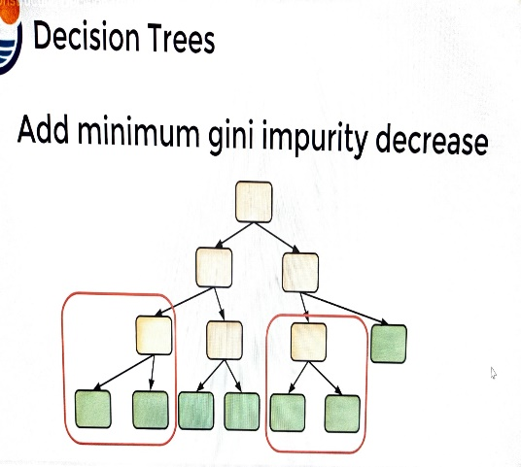

 |  |  |  |  | ⇰REFERENCE (Website)-->Udemy Regarding Thereotical & Conceptual Understanding of Param min_impurity_decrease used in Decision Tree

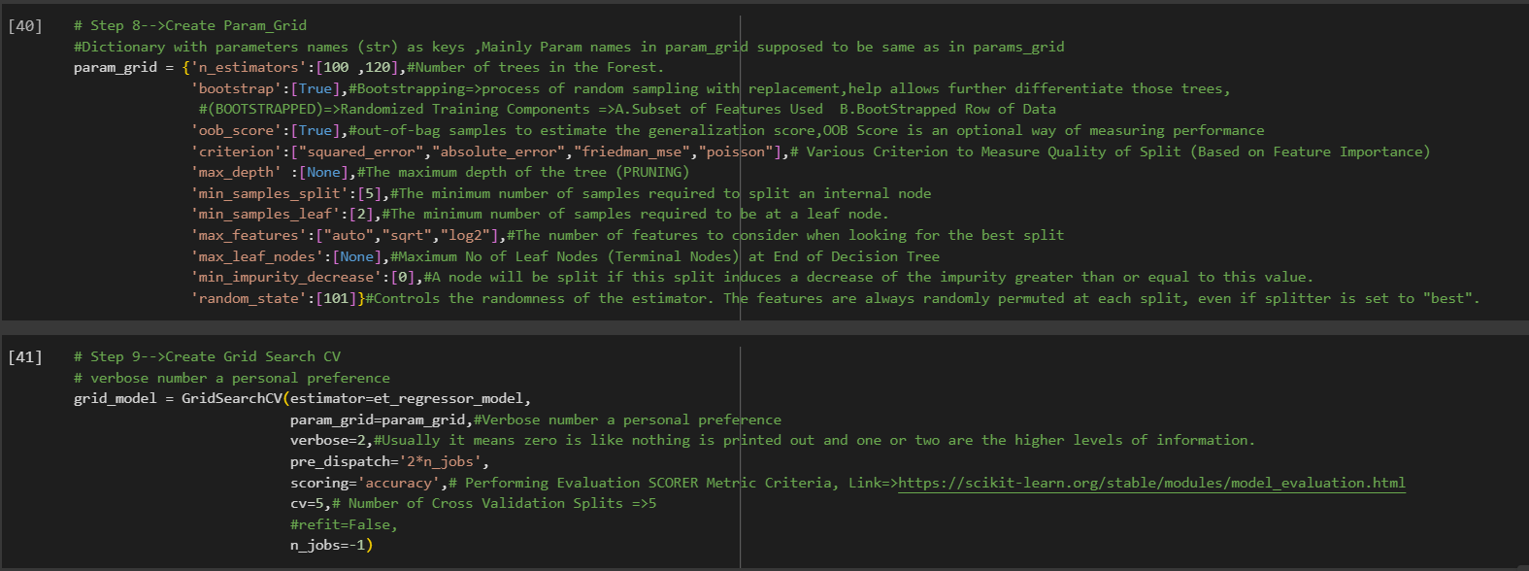

 |  |  |  |  | ⇰REFERENCE (Website)-->1.12(ii)(ET) Extra Tree Regressors Regarding Conceptual & Practical Implementation (Coding) of HyperParam of Extra Tree Regressors With Grid Search CV

3.Methods of ET Regressor
METHODS OF EXTRA TREE (ET) REGRESSORS | REFERENCE

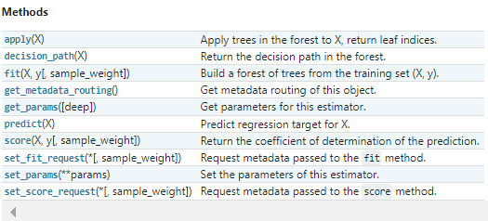 | ⇰REFERENCE (Website)-->Scikit Learn Regarding Thereotical & Conceptual Understanding of Various Methods For Extra Tree Regressors

 | ⇰REFERENCE (Website)-->Udemy Regarding Thereotical & Conceptual Understanding of Various Methods for Random Forest Classifiers

⇰fit(X, y, sample_weight=None) ❶Run fit with all sets of parameters ❷Build a Extra tree regressors + Grid Search CV (grid_model) from the training set (X, y).

 | ⇰REFERENCE (Website)-->1.12(ii) Google Colab ET (Extra Tree Regressors) With Grid Search CV Regarding Practical Implementation of (Fit_methods of ET Regressors)

⇰predict(X) ❶Transform the data, and apply predict with the final estimator. ❷Predict class or regression value for X.For a classification model, the predicted class for each sample in X is returned. For a regression model, the predicted value based on X is returned.

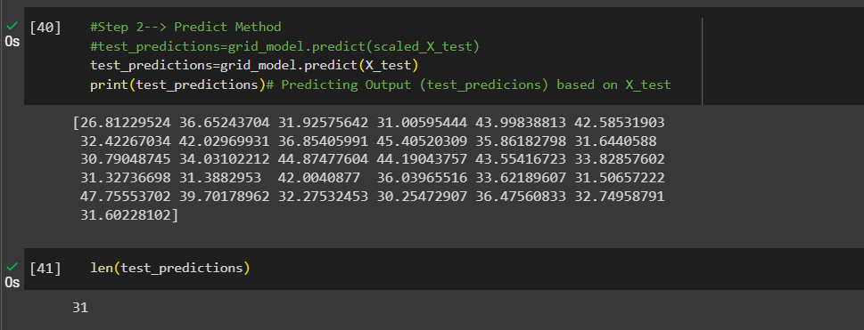 | ⇰REFERENCE (Website)-->1.12(iii) Google Colab DT (Decision Tree Regressors) With Grid Search CV Regarding Practical Implementation of (Predict_methods of ET Regressor)

 | ⇰REFERENCE (Website)-->Scikit Learn Regarding Thereotical & Conceptual Understanding of Various Methods for Extra Tree Regressors

⇰score(X, y, sample_weight=None) ❶Return the mean accuracy on the given test data and labels. ❸Scorer Metric is used for the purpose for finding what kind of evaluation Criteria is used in Given Data set for the purpose of Finding Out the Error & In this case it is 'Negative Mean Absolute Percentage Error' in Extra Tree Regressors. ❹Basically in upcoming example Negative Mean Absolute Percentage Error =0.0908=>9.08% (Error) In Simple Words (Incorrect Prediction=>9.08% ) & (Remaining Correct Prediction=0.9092 =>90.92%). ❺Mean Absolute Percentage Error (NMAPE) taking the sum of observed values and the sum of predicted values, and calculating the error between those two values. A lower value indicates a more accurate model.Since NMAPE is a measure of error, high numbers are bad and low numbers are good. | ⇰REFERENCE (Website)-->Scikit Learn Regarding Metric Scoring Or Various Types of Metric Scoring

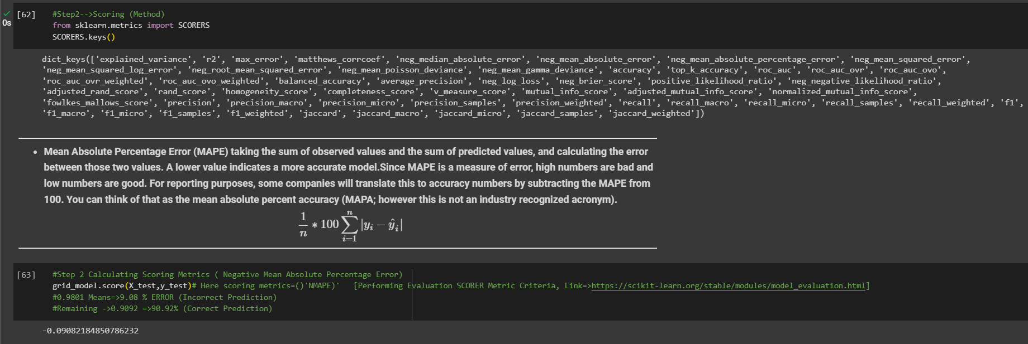 | ⇰REFERENCE (Website)-->1.12(iii) Google Colab ET (Extra Tree Regressors) With Grid Search CV Regarding Practical Implementation of (score_methods of ET Regressor)

 | ⇰REFERENCE (Website)-->Udemy Regarding Thereotical & Conceptual Understanding of Various Methods for Random Forest Classifiers

⇰get_params(deep=True) ❶Get parameters for this estimator. ❷deep:bool, default=True ,If True, will return the parameters for this estimator and contained sub objects that are estimators. Parameter names mapped to their values in dict format . ❸ In 2nd Instance we had seen that we Create get_params by using calling keys & display result in List Format . ❹Basically in Simple words this param_grid parameter allows you to pass the grid of parameters you are searching. This grid must be formatted as a dictionary with the key corresponding to the specific estimator’s parameter names, and the values corresponding to a list of values to pass for the specific parameters.

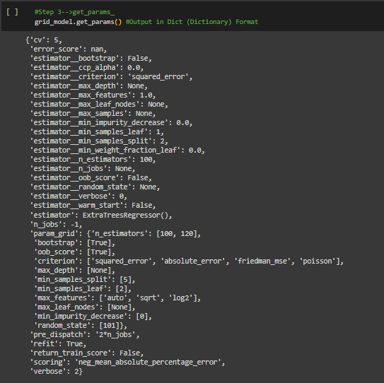 | ⇰REFERENCE (Website)-->1.12(iii) Google Colab ET (Extra Tree Regressors) With Grid Search CV Regarding Practical Implementation of (get_params (dict format) methods of ET Regressor)

 | ⇰REFERENCE (Website)-->Scikit Learn Regarding Thereotical & Conceptual Understanding of Various Methods For Extra Tree Regressors

 | ⇰REFERENCE (Website)-->Scikit Learn Regarding Thereotical & Conceptual Understanding of Various Methods For Extra Tree Regressors

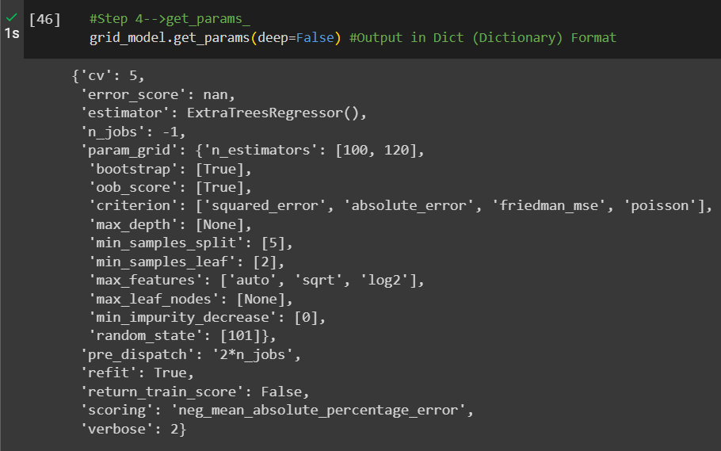 | ⇰REFERENCE (Website)-->1.12(iii) Google Colab ET (Extra Tree Regressors) With Grid Search CV Regarding Practical Implementation of (get_params (dict format) methods of ET Regressor)

 | ⇰REFERENCE (Website)-->1.12(iii) Google Colab ET (Extra Tree Regressors) With Grid Search CV Regarding Practical Implementation of (get_params (list format) methods of ET Regressor)

⇰set_params(params) ❶Set the parameters of this estimator . ❷In simple words set_params (Setting or Readjusting any Hyper Parameter again with New Param) ,We can Perform Readjustment or Reconfiguration of any Hyper Parameter for Given Model & then Re-run the Model.

❸Basically in upcoming Example We can see changes in set_params (n_jobs=>-1) to (n_jobs=>1) & (verbose=>2) to (verbose=>1) If we do comparison against Previous model.get_params() we can see those changes.

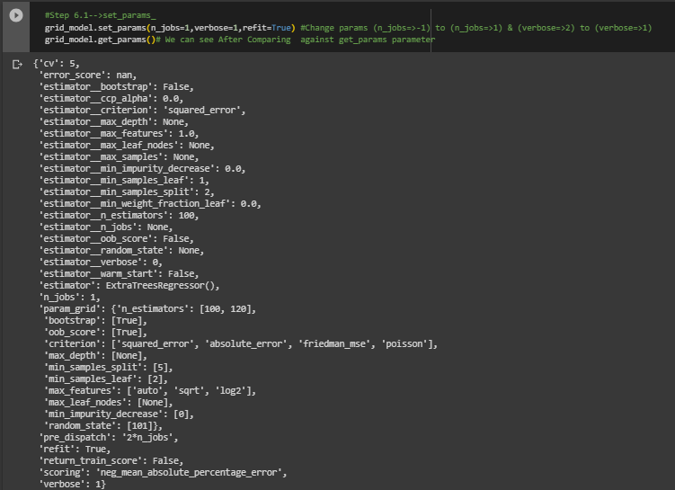 | ⇰REFERENCE (Website)-->1.12(iii) Google Colab ET (Extra Tree Regressors) With Grid Search CV Regarding Practical Implementation of (set_params methods of ET Regressor)

 | ⇰REFERENCE (Website)-->Scikit Learn Regarding Thereotical & Conceptual Understanding of Various Methods For Extra Tree Regressors | ⇰REFERENCE (Website)-->Udemy Regarding Thereotical & Conceptual Understanding of Various Methods for Random Forest Classifiers

 | ⇰REFERENCE (Website)-->1.12(iii) Google Colab ET (Extra Tree Regressors) With Grid Search CV Regarding Practical Implementation of (set_params of Keys () methods of ET Regressor)

⇰apply(X[, check_input]) ❶Return the index of the leaf (Terminal Node) that each sample is predicted as. ❷Best_Estimator's Model from Grid Search CV for This Methods .

 | ⇰REFERENCE (Website)-->1.12(iii) Google Colab ET (Extra Tree Regressors) With Grid Search CV Regarding Practical Implementation of (apply(X[,check_input]) methods of ET Regressor)

⇰decision_path(X, check_input=True) ❶Return the decision path in the tree. ❷Basically in Simple Words This Methods (decision function) will tell us regarding Types of data (Format) & No of Elements Storage in what location ? ❸Best_Estimator's Model from Grid Search CV for This Methods.

 | ⇰REFERENCE (Website)-->1.12(iii) Google Colab ET (Extra Tree Regressors) With Grid Search CV Regarding Practical Implementation of (decision_path(X[,check_input]) methods of ET Regressor)

4.Attributes of ET Regressor
ATTRIBUTES OF (ET) EXTRA TREE REGRESSORS |  |  | REFERENCE

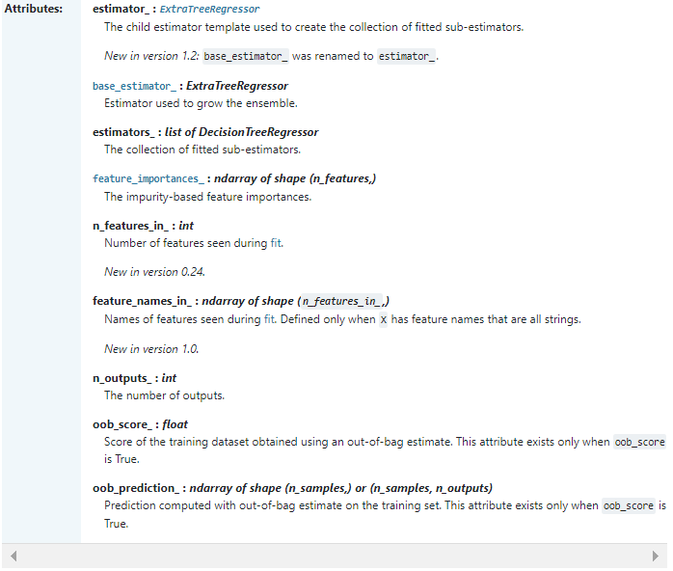 |  |  | ⇰REFERENCE (Website)-->Scikit Learn Regarding Conceptual Understanding of Various Attributes for Extra Tree Regressor

 |  |  | ⇰REFERENCE (Website)-->Udemy Regarding Thereotical & Conceptual Understanding of Various Attributes for Random Forest Classifiers

⇰feature_importances_:ndarray of shape (n_features,) ❶Return the feature importances. ❷ Basically in Simple Words it will report back the relative importance of each feature and its decision making & this is listed in the same order as the X features. ❸Best_Estimator's Model from Grid Search CV for This Attributes |  |  | ⇰REFERENCE (Website)-->Stackoverflow Regarding Thereotical & Conceptual Understanding of Attributes Running feature_importance with grid search cv_best_estimator

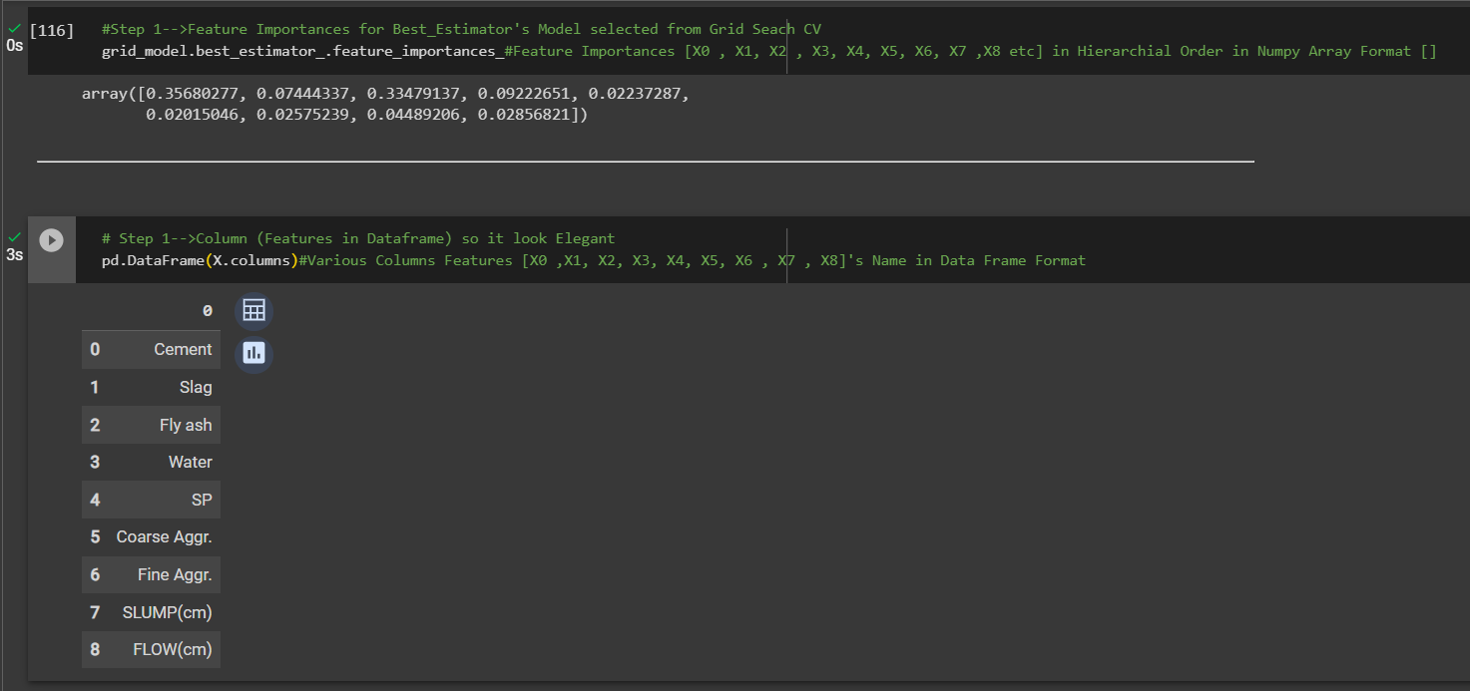

 |  |  | ⇰REFERENCE (Website)-->1.12(iii) Google Colab ET (Extra Tree Regressors) With Grid Search CV Regarding Practical Implementation of Imperative Attributes of feature_importances_ in Data Frame Format

▣Conversion of feature_importances_ into dataframe So in that way it will easier to read & all features based on their importance will be in Hierarchical Order. ▣In this Case we can see Feature (X9) cement is most important features because it scores 0.35 in terms of it's weightage. ▣Best_Estimator's Model from Grid Search CV for This Attributes |  |  | ⇰REFERENCE (Website)-->Scikit Learn Regarding Conceptual Understanding of Various Attributes for Extra Tree Regressor

❹Feature Importances According in Data Frame Format in Sorting Order (Basically in Simple Words Attributes of Features Importance in Data Frame Format as well as Values sorted in Ascending Order.

 |  |  | ⇰REFERENCE (Website)-->1.12(iii) Google Colab ET (Extra Tree Regressors) With Grid Search CV Regarding Practical Implementation of Imperative Attributes of feature_importances_ in Data Frame Format In Sorted (Ascending Order) | ⇰REFERENCE (Website)-->Udemy Regarding Thereotical & Conceptual Understanding of Various Attributes for Random Forest Classifiers

⇰n_features_in_:int ❶Number of features seen during fit. ❷ In Simple Words Number of features seen during fit.Only defined if best_estimator_ is defined Basically in Simple Words in this example of ExtraTree Regressors We have 9 Features so this attribute defines number of features used & available in for your data.

 |  |  | ⇰REFERENCE (Website)-->1.12(iii) Google Colab ET (Extra Tree Regressors) With Grid Search CV Regarding Practical Implementation of Imperative Attributes of n_features_in_

⇰feature_names_in_ndarray of shape (n_features_in_,) ❶Names of features seen during fit. Defined only when X has feature names that are all strings. ❷Defined only when X has feature names that are all strings & Precede to Feature Scaling Otherwise Due to Feature Scaling it will create Multiple Features. Basically in Other Word it Defines the Names of All Features (Independent Variable) That are Available in the Given Dataset. ❸Basically in Simple Words In Extra Tree Regressors We don't Need Feature Scaling That's why We can see By Implementing this Attribute we can see Names of Features Used for Extra Tree Regressors. |  |  | ⇰REFERENCE (Website)-->Scikit Learn Regarding Conceptual Understanding of Various Attributes for Extra Tree Regressor | ⇰REFERENCE (Website)-->Stackoverflow Regarding Conceptual Understanding of Various Attributes of feature importances_

 |  |  | ⇰REFERENCE (Website)-->1.12(iii) Google Colab ET (Extra Tree Regressors) With Grid Search CV Regarding Practical Implementation of Imperative Attributes of features_names_in_

⇰n_outputs_:int ❶The number of outputs when fit is performed. ❷Best_Estimator's Model from Grid Search CV for This Attributes

 |  |  | ⇰REFERENCE (Website)-->1.12(iii) Google Colab ET (Extra Tree Regressors) With Grid Search CV Regarding Practical Implementation of Imperative Attributes of n_outputs_ | ⇰REFERENCE (Website)-->Udemy Regarding Thereotical & Conceptual Understanding of Various Attributes for Random Forest Classifiers

⇰oob_score_:float ❶Score of the training dataset obtained using an out-of-bag estimate. This attribute exists only when oob_score is True. ▣Basically in Simple words it is separate from bootstrapping , OOB Score is an optional way of measuring performance , an alternative to using a standard TRAIN|TEST|SPLIT , since bootstrapping naturally used in unused data during training. |  | 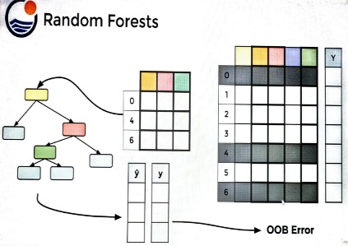

 |  |  | ⇰REFERENCE (Website)-->1.12(iii) Google Colab ET (Extra Tree Regressors) With Grid Search CV Regarding Practical Implementation of Imperative Attributes of oob_score_ | ⇰REFERENCE (Website)-->Udemy Regarding Thereotical & Conceptual Understanding of Meaning of Random Forest's BootStrapping & OOB (Out of Bag Error)

⇰estimator_:ExtraTreesRegressor ❶The child estimator template used to create the collection of fitted sub-estimators. ❷Basically in Simple Words Estimator's Template Mean Pictorial Representation of (What Kind of Model + Grid Search CV We are Implementing in Our Models.) ❸Basically in This Case Extra Tree Regressors =>List of ExtraTree Regressors

 |  |  | ⇰REFERENCE (Website)-->1.12(iii) Google Colab ET (Extra Tree Regressors) With Grid Search CV Regarding Practical Implementation of Imperative Methods of estimator_)

⇰estimators_:list of ExtraTreeRegressors ❶The collection of fitted sub-estimators. ❷In Simple Words Display of Various List of Extra Tree Regressors Or Ensemble of ExtraTree Regressors in Extra TreeRegressors With Different Hyper Parameter Tuned Up.

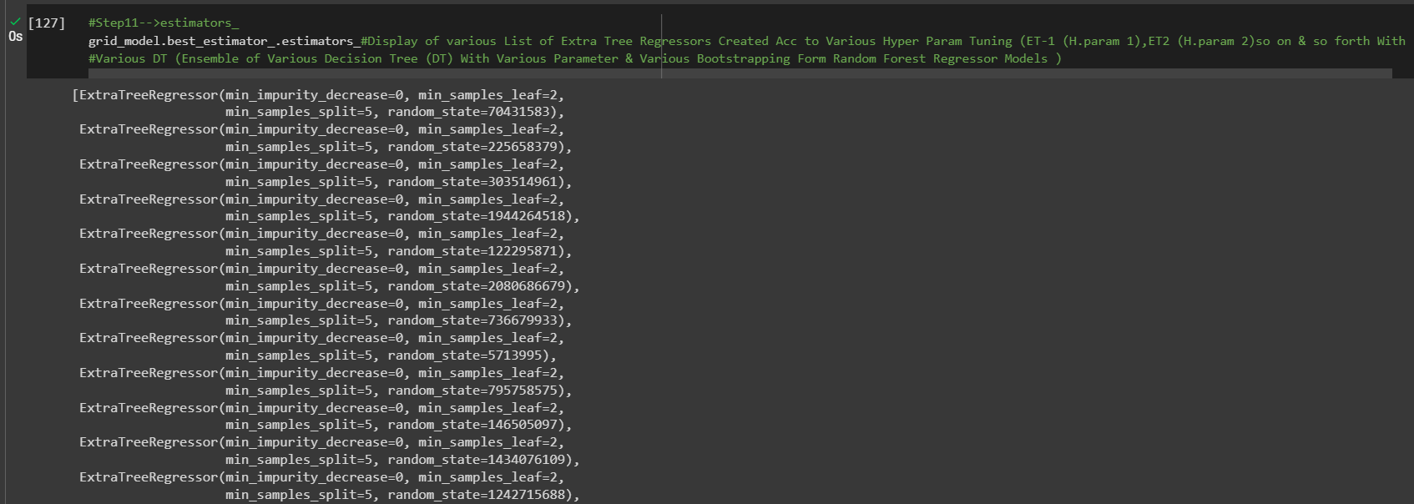 |  |  | ⇰REFERENCE (Website)-->1.12(iii) Google Colab ET (Extra Tree Regressors) With Grid Search CV Regarding Practical Implementation of Imperative Attributes of estimators_) | ⇰REFERENCE (Website)-->Udemy Regarding Thereotical & Conceptual Understanding of Various Attributes for Random Forest Classifiers

 |  |  | ⇰REFERENCE (Website)-->Scikit Learn Regarding Conceptual Understanding of Various Attributes for Extra Tree Regressor
⇰base_estimator_:DecisionTreeRegressor ❶Estimator used to grow the ensemble. ❷Basically in Simple Words What Sorts of Base Estimator We want to Fit on Random Subset of Dataset If You don't Then Specify base_estimators Default ⇒ Extra Tree Regressor.

 |  |  | ⇰REFERENCE (Website)-->ScikitLearn Regarding Conceptual Understanding of Module Bagging Regressor in Regression Based Model sklearn.ensemble.BaggingRegressor

❸According to ScikitLearn ⇒BaggingRegressor: When using the BaggingRegressor in scikit-learn, you can specify a base estimator to fit on random subsets of the Regression Based dataset. If you don't specify a base estimator, the default ⇒ DecisionTreeRegressor. This means that, by default, BaggingRegressor uses DecisionTreeRegressor as its base model for building an ensemble model. In this Example We can Use (SVR) as base_estimators_. | 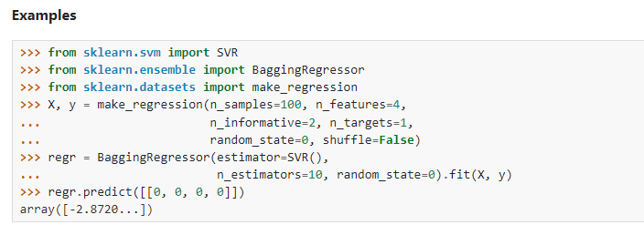 |  | ⇰REFERENCE (Website)-->Scikit Learn Regarding Conceptual Understanding of Various Attributes for Extra Tree Regressor

 |  |  | ⇰REFERENCE (Website)-->1.12(iii) Google Colab ET (Extra Tree Regressors) With Grid Search CV Regarding Practical Implementation of Imperative Attributes of base_estimators_)

5.Error Vs No of Estimator
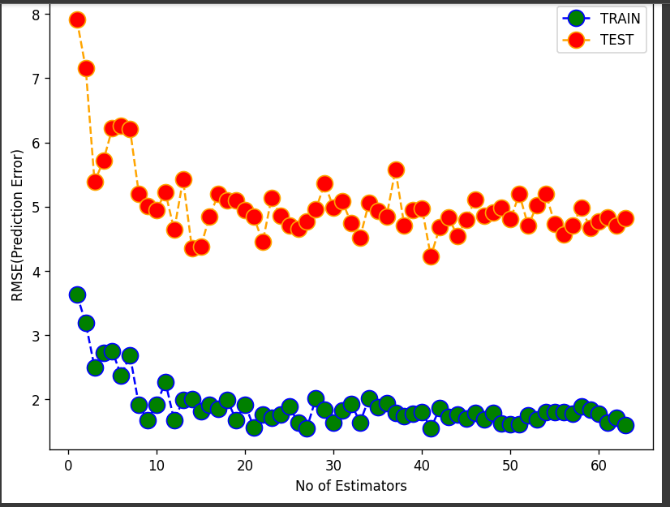
⌗ELBOW METHODS

▣I.ERRORS VS NO OF ESTIMATORS | REFERENCE

❶You'll notice we start off with quite a bit of noise in the errors (TRAINING SET & TEST SET & eventually we start RMSE Error settle off in Between Range of 6 to 4 & After This It becomes the point or threshold where it can no longer really improve performance. ❷What's going to happen after reach this threshold limit of performance? So what this mean is probably way too many trees upto Max Limit Set 64 Trees & we could have just shortened it down to somewhere around may be the 5-10 Trees mark in respect to RMSE Error falling in Range to (1-5) you're really just getting either one, two or three, Four & Five Errors.The Adding High No of Estimators (Decision Trees) Will Increase Computation & Processing Time & Increase Complexity.SoThat's why It is kind of interesting to plot this out in order to explore how many trees are really necessary. | ⇰REFERENCE (Website)-->Scikit Learn Regarding Conceptual Understanding of Various Param , Methods & Attributes for Extra Tree Regressor | ⇰REFERENCE (Website)-->Udemy Regarding Usage of Elbow Methods in Polynomial Regression (While Choosing Polynomial degree)

 | ⇰REFERENCE (Website)-->Udemy Regarding Thereotical & Conceptual Understanding of Various Attributes for Random Forest Classifiers

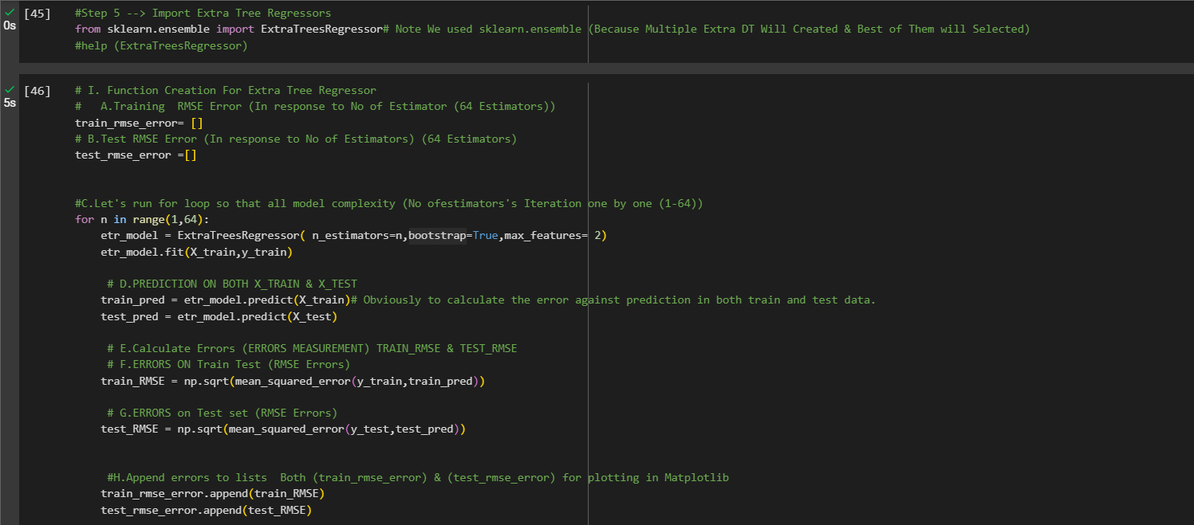

 | ⇰REFERENCE (Website)-->1.12(iii) Google Colab ET (Extra Trees Regressors) With Grid Search CV Regarding Practical Implementation of Matplotlib Plot Measurement of Errors Vs No of Estimators

6.TRAIN|TEST|SPLIT
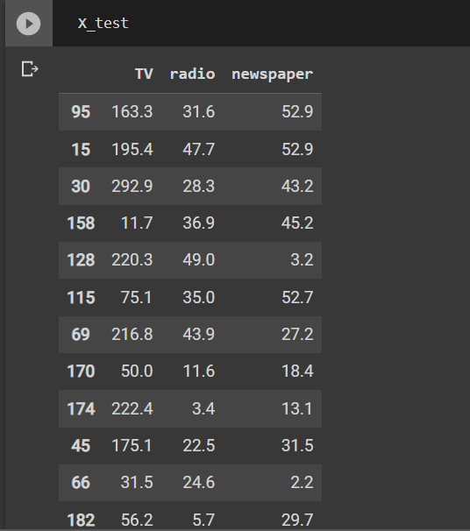
TRAIN | TEST | SPLIT

⇰REFERENCE (WEBSITE)-->Udemy Regarding Train_Test_Split
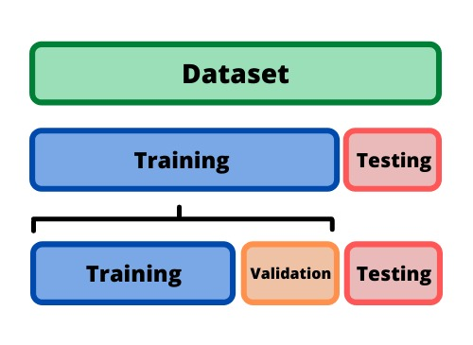 ⇰DEFINITION OF TRAIN-TEST-SPLIT →To fairly evaluate my model's performance, I don't want to evaluate it on the same data it was trained at. First we separates out the features and then it separates out the labels Further we'll separate out a training set and a test set Which Further Subdivide into 4 Components --> X train and Y train and then X test and y test the weights.

PARAMETERS FOR TRAIN | TEST | SPLIT | REFERENCE

⇰X_train→X_train Contains the Values of The Features (X1(Newspaper) ,X2(Radio) , X3(Television) This includes your all independent variables,these will be used to train the model, also as we have specified the test_size = 0.4, this means 60% of observations from your complete data will be used to train/fit the model and rest 40% will be used to test the model. | ⇰REFERENCE (Website)--> Stackoverflow Regarding TRAIN-TEST-SPLIT

⇰X_test→This is remaining 40% portion of the independent variables [Features(X1(Newspaper) ,X2(Radio) , X3(Television)] from the data which will not be used in the training phase and will be used to make predictions to test the accuracy of the model.
 | ⇰REFERENCE (Website)-> Stackoverflow Regarding TRAIN-TEST-SPLIT

⇰y_train→This is your dependent variable which needs to be predicted by this model, this includes category labels against your independent variables (Output =Total Sales), we need to specify our dependent variable while training/fitting the model.

 | ⇰REFERENCE (Website)-->(1.2) Google Colab Linear Regression Regarding Practical Implementation (Coding) of TRAIN | TEST SPLIT
⇰y_test→This data has category labels (Dependent Variable) (Output = Total Sales) for your test data, these labels will be used to test the accuracy between actual and predicted categories.

⇰test_size→test_size is the number that defines the size of the test set. It's very similar to train_size . You should provide either train_size or test_size . If neither is given, then the default share of the dataset that will be used for testing is 0.25 , or 25 percent. Especially in This Case test_size is 0.3 or 30% of Total Data Size.
 | ⇰REFERENCE (Website)-> Scikit Learn Regarding TRAIN-TESTS-SPLIT

⇰Random_state →Random_state is used to set the seed for the random generator so that we can ensure that the results that we get can be reproduced. Because of the nature of splitting the data in train and test is randomised you would get different data assigned to the train and test data unless you can control for the random factor. ↔Example-->For example, imagine you have numbers: 1,2,3,4,5 and you want to select two random numbers. Without using a random_state you would get different things: i.e. first 2,5 then 3,4 and so on.When you control the random generator by setting the random state to 0, 1 or another number, everyone would get the same random numbers generated: i.e random_state=1 then the random numbers are 1,3 and everyone who will pick two random numbers using random_state=1 from 1,2,3,4,5 will get the same two numbers as you: 1,3. →The random state hyperparameter is used to control any such randomness involved in machine learning models to get consistent results. We can use cross-validation to mitigate the effect of randomness involved in machine learning models. →Reason For Random State Usage--> ❶. We need t
 | ⇰REFERENCE (Website)-> Real Python Regarding TRAIN-TESTS-SPLIT

 | ⇰REFERENCE (Website)--> Geeks For Geeks Regarding Practical Impelentation (Coding) of TRAIN | TEST SPLIT

 | ⇰REFERENCE (Website)-> Scikit Learn Regarding TRAIN-TESTS-SPLIT

 | ⇰REFERENCE (Website)-> Real Python Regarding TRAIN-TESTS-SPLIT

⇰Shuffle Split→shuffle is the Boolean object (True by default) that focus on whether to shuffle the dataset before applying the split. →Reason For Random State Usage--> ❶The other reason that we have a random state here is because what Sk learn is going to do when it calls train test split is it's actually going to shuffle the arrays first.So you'll notice here that it actually is calling a shuffle split.That's why main reason it's calling a shuffle split. ❷If we See almost any Data set We can tell that more or less my data appears to be in no sort of sorted order.But for other data sets, it's not uncommon that when you read it in, it's actually already sorted for you. What we don't want to do is if our data set is in some sort of order or sorted is grab the first 70% of the rows for the train set and then the last 30% for the test set. Instead, we want to make sure that we shuffle everything first and then grab the 70% and 30%.That way I don't have an accidentally ordered data set and the test set happens to be all the highest sales and the training set is the lowest 70% of sales. That could be really dangerous as far as fairly evaluating and training your model. So instead we just alleviate any issues of that by shuffling the data set first.

 | ⇰REFERENCE (Website)-->(1.2) Google Colab Linear Regression Regarding Practical Implementation (Coding) of TRAIN | TEST SPLIT

 | ⇰REFERENCE (Website)-->(1.3) Google Colab (Polynomial Regression) Regarding Practical Implementation (Coding) of TRAIN | TEST SPLIT

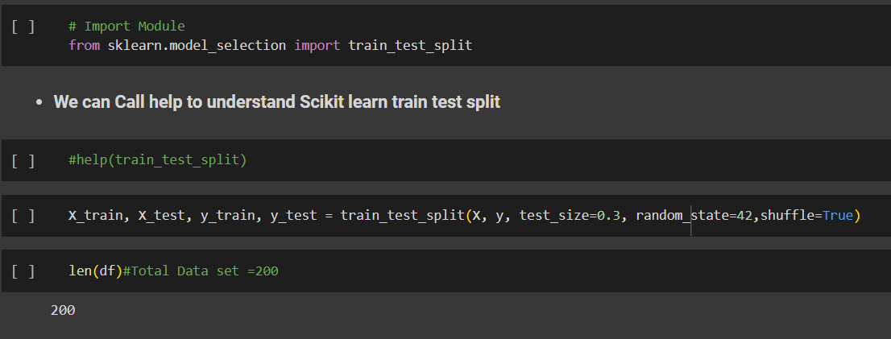 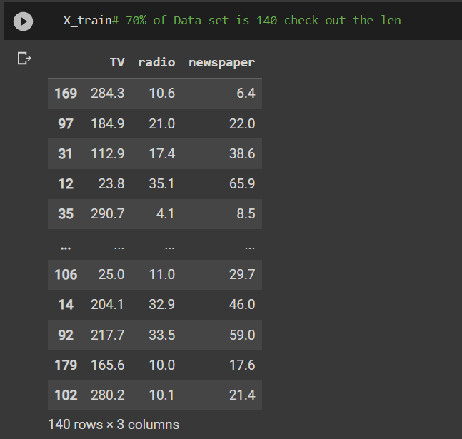 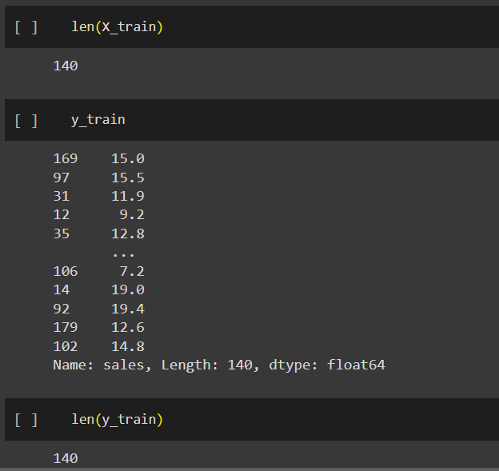 | ⇰REFERENCE (Website)-->(1.2) Google Colab Linear Regression Regarding Practical Implementation (Coding) of TRAIN | TEST SPLIT

 | ⇰REFERENCE (Website)-->(1.3) Google Colab (Polynomial Regression) Regarding Practical Implementation (Coding) of TRAIN | TEST SPLIT

7.Perf Eval (Error Metrics)

PERFORMANCE EVALUTION ERROR METRICS |  |  | REFERENCE

▣REGRESSION BASED PERF-ERROR METRICS
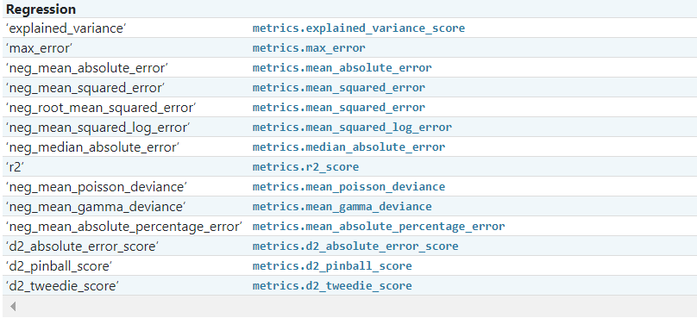 |  |  | ⇰REFERENCE (Website)-->ScikitLearn Regarding Conceptual & Practical Implementation of Scoring & Perf Eval (Error Metrics) For (I.Classification , II.Regression & III.Clustering)

 |  |  | ⇰REFERENCE (Website)-->Udemy Regarding Conceptual Understanding of Various Perf Evaluation Metrics (MAE ,MSE, RMSE, MAPE)

⇰mean square error (MSE)
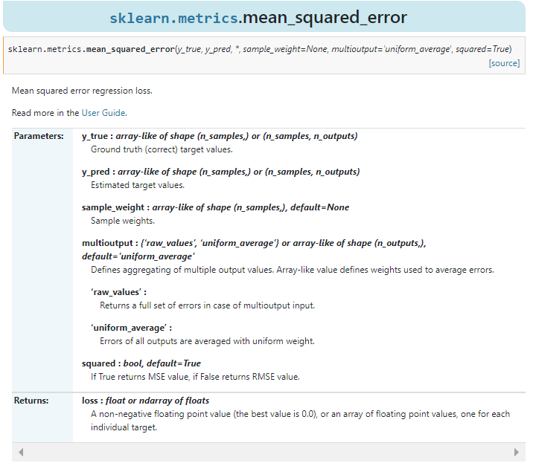 |  |  | ⇰REFERENCE (Website)-->ScikitLearn Regarding Conceptual & Practical Implementation of Scoring & Perf Eval (Error Metrics) For (I.Classification , II.Regression & III.Clustering) | ⇰REFERENCE (Website)-->Stackoverflow Regarding Conceptual Understanding of MSE (Mean Square Errors)

 |  |  |  | ⇰REFERENCE (Website)-->Geeks for Geeks Regarding Conceptual Understanding of Perf Eval Metric (MSE) Mean Square Errors

 |  |  | ⇰REFERENCE (Website)-->Udemy Regarding Conceptual Understanding of Various Perf Evaluation Metrics (MAE ,MSE, RMSE, MAPE)

❶According to Scikitlearn (MSE) Mean squared error regression loss. ❷According to Geeks for Geeks =>The Mean Squared Error (MSE) or Mean Squared Deviation (MSD) of an estimator measures the average of error squares i.e. the average squared difference between the estimated values & true value. It is a risk function, corresponding to the expected value of the squared error loss. It is always non – negative & values close to zero are better. The MSE is the second moment of the error (about the origin) & thus incorporates both the variance of the estimator and its bias. |  |  | ⇰REFERENCE (Website)-->Geeks for Geeks Regarding Conceptual Understanding of Perf Eval Metric (MSE) Mean Square Errors | ⇰REFERENCE (Website)-->Udemy Regarding Conceptual Understanding of Various Perf Evaluation Metrics (MAE ,MSE, RMSE, MAPE)

 |  |  | ⇰REFERENCE (Website)-->Stackoverflow Regarding Conceptual Understanding of MSE (Mean Square Errors) | ⇰REFERENCE (Website)-->ScikitLearn Regarding Conceptual & Practical Implementation of Scoring & Perf Eval (Error Metrics) For (I.Classification , II.Regression & III.Clustering)

⇰mean absolute errors (MAE)
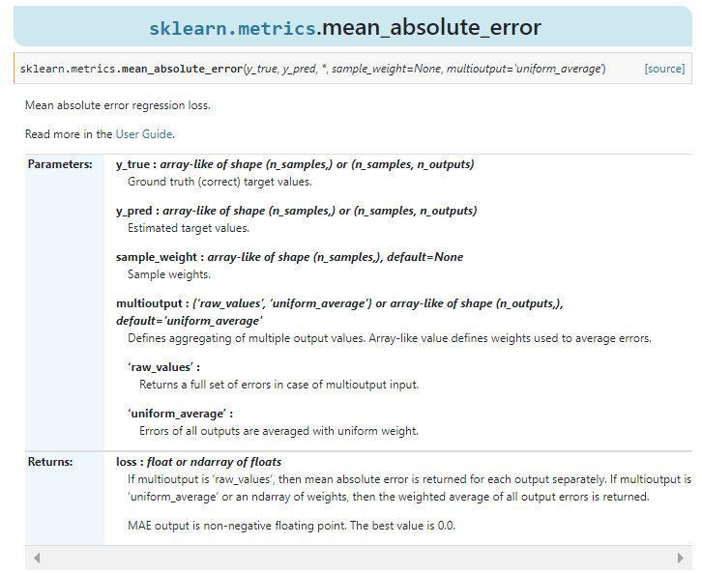 |  |  | ⇰REFERENCE (Website)-->Scikitlearn Regarding Conceptual & Practical Understanding of (MAE) mean_absolute_errors

❶According to Scikitlearn (MAE) Mean Absolute Errors Regression Loss. ❷According to Geeks For Geeks Mean Absolute Error (MAE) calculates the average difference between the calculated values & actual values. It is also known as scale-dependent accuracy as it calculates error in observations taken on the same scale. It is used as evaluation metrics for regression models in machine learning. It calculates errors between actual values & values predicted by the model. It is used to predict the accuracy of the machine learning model. |  | 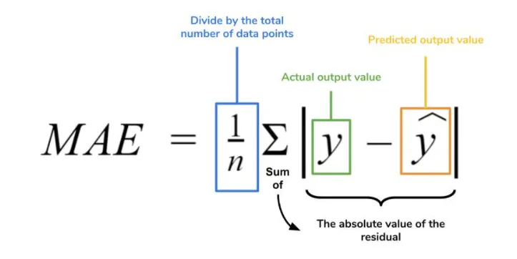 | ⇰REFERENCE (Website)-->Geeks for Geeks Regarding Conceptual Understanding of Perf Eval Metric (MAE) Mean Absolute Errors | ⇰REFERENCE (Website)-->Medium Regarding Conceptual Understanding of (MAE) Mean Absolute Error Challenge by Roi Polanitzer

 |  |  | ⇰REFERENCE (Website)-->(Statistics Showto) Regarding Conceptual Understanding of Absolute Errors & Mean Absolute Errors | ⇰REFERENCE (Website)-->Udemy Regarding Conceptual Understanding of Various Perf Evaluation Metrics (MAE ,MSE, RMSE, MAPE)

⇰ROOT MEAN SQUARE ERRORS (RMSE)
❶According to (Java T Point) RSME (Root mean square error) calculates the transformation between values predicted by a model & actual values. In other words, it is one such error in the technique of measuring the precision & error rate of any machine learning algorithm of a regression problem. Error metric allows us to track the various matrices efficiency & accuracy. |  | 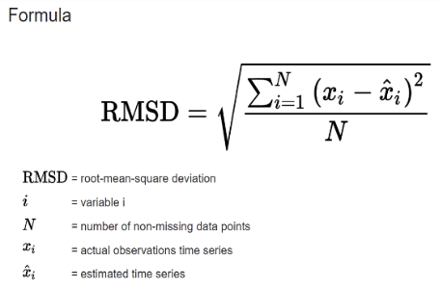 | ⇰REFERENCE (Website)->Java T Point Regarding Conceptual Implementation of Root Mean Square Errors (RMSE) | ⇰REFERENCE (Website)-->Statistics By Jim Regarding Conceptual Understanding of RMSE (Root Mean Square Errors)

 |  |  | ⇰REFERENCE (Website)-->SAP Portal Regarding Conceptual Understanding of Root Mean Square Errors (RMSE)
 |  |  |  | ⇰REFERENCE (Website)-->C3.ai Regarding Conceptual Understanding of Root Mean Square Errors (RMSE)
❷According to (C3.ai) ⇒Root mean square error or root mean square deviation is one of the most commonly used measures for evaluating the quality of predictions. It shows how far predictions fall from measured true values using Euclidean distance.

❸To compute RMSE, calculate the residual (difference between prediction & truth) for each data point, compute the norm of residual for each data point, compute the mean of residuals & take the square root of that mean. RMSE is commonly used in supervised learning applications, as RMSE uses & needs true measurements at each predicted data point.

⇰MAPE (Mean Absolute Percentage Errors)
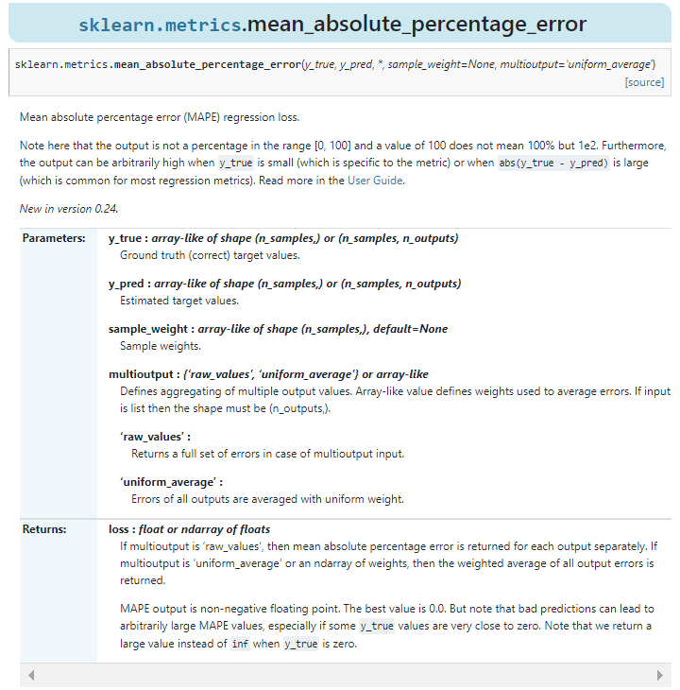 |  |  | ⇰REFERENCE (Website)-->Scikitlearn Regarding Conceptual Understanding of Mean Absolute Percentage Errors (MAPE)

 |  |  | ⇰REFERENCE (Website)-->ScikitLearn Regarding Conceptual & Practical Implementation of Scoring & Perf Eval (Error Metrics) For (I.Classification , II.Regression & III.Clustering)

 |  |  | ⇰REFERENCE (Website)-->Udemy Regarding Conceptual Understanding of Various Perf Evaluation Metrics (MAE ,MSE, RMSE, MAPE)

❶According to Scikit Learn Mean absolute percentage error (MAPE) regression loss. ▣(Note here that the output is not a percentage in the range [0, 100] & a value of 100 does not mean 100% . Furthermore, the output can be arbitrarily high when y_true is small (which is specific to the metric) or when abs(y_true - y_pred) is large (which is common for most regression metrics). |  |  | ⇰REFERENCE (Website)-->Scikitlearn Regarding Conceptual Understanding of Mean Absolute Percentage Errors (MAPE)

 |  |  | ⇰REFERENCE (Website)-->Oracle Regarding Thereotical & Conceptual Understanding of MAPE (Mean Absolute Percentage Errors) | ⇰REFERENCE (Website)-->Geeks for Geeks Regarding Conceptual Understanding of Mean Absolute Percentage Errors (MAPE)
❷According to (Oracle) MAPE is the mean absolute percentage error, which is a relative measure that essentially scales MAE to be in percentage units instead of the variable’s units.Mean absolute percentage error (MAPE) is a relative error measure that uses absolute values to keep the positive & negative errors from canceling one another out and uses relative errors to enable you to compare forecast accuracy between time-series models.

⇰R2 Score
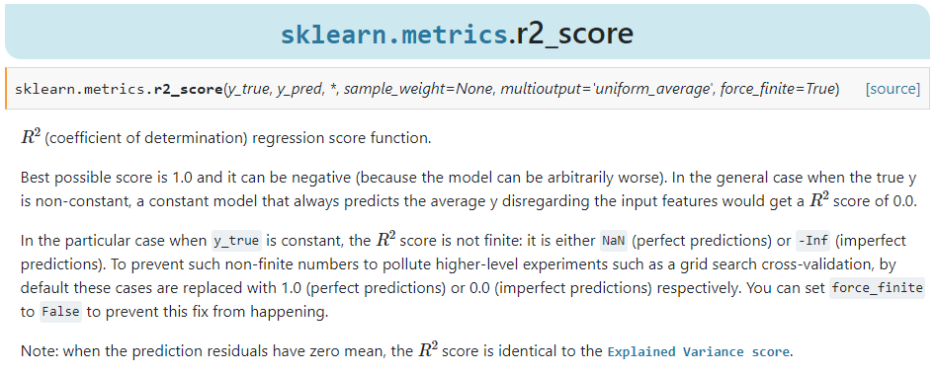 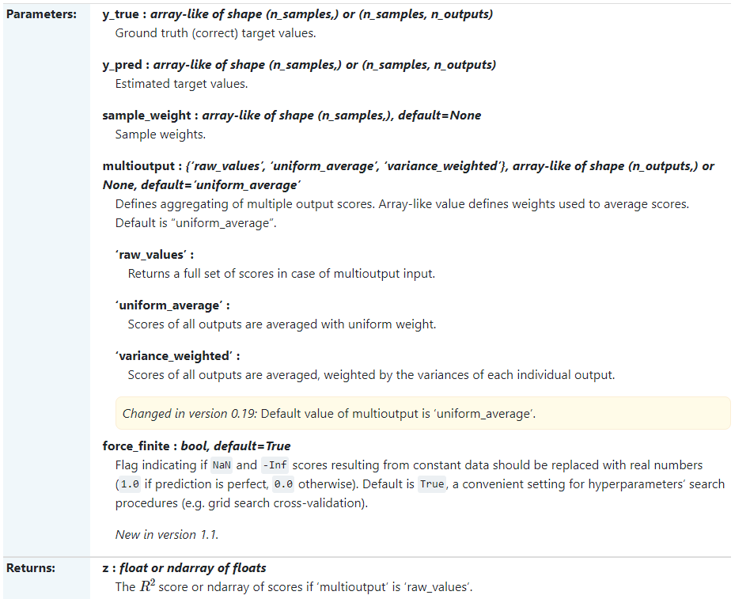 |  |  | ⇰REFERENCE (Website)-->Scikitlearn Regarding Thereotical & Conceptual Understanding of r2_score

 |  |  | ⇰REFERENCE (Website)-->ScikitLearn Regarding Conceptual & Practical Implementation of Scoring & Perf Eval (Error Metrics) For (I.Classification , II.Regression & III.Clustering)

 |  |  | ⇰REFERENCE (Website)-->Udemy Regarding Conceptual Understanding of Various Perf Evaluation Metrics (MAE ,MSE, RMSE, MAPE)

❶According to Scikitlearn (R² Score) (coefficient of determination) regression score function.Best possible score is 1.0 & it can be negative (because the model can be arbitrarily worse). In the general case when the true y is non-constant, a constant model that always predicts the average (y) disregarding the input features would get a score of 0.0. |  |  | ⇰REFERENCE (Website)-->Scikitlearn Regarding Thereotical & Conceptual Understanding of r2_score

 |  |  | ⇰REFERENCE (Website)-->ScikitLearn Regarding Conceptual & Practical Implementation of Scoring & Perf Eval (Error Metrics) For (I.Classification , II.Regression & III.Clustering)

❷In the particular case when y_true is constant, the score is not finite: it is either NaN (perfect predictions) or -Inf (imperfect predictions). To prevent such non-finite numbers to pollute higher-level experiments such as a grid search cross-validation, by default these cases are replaced with 1.0 (perfect predictions) or 0.0 (imperfect predictions) respectively. You can set force_finite to False to prevent this fix from happening.

⇒(INVESTOPEDIA) According to Investopedia R-squared (R2) is a statistical measure that represents the proportion of the variance for a dependent variable that’s explained by an independent variable in a regression model. ⇒(UNDERSTANDING) Whereas correlation explains the strength of the relationship between an independent & a dependent variable, R-squared explains the extent to which the variance of one variable explains the variance of the second variable. So, if the R2 of a model is 0.50, then approximately half of the observed variation can be explained by the model’s inputs. |  | 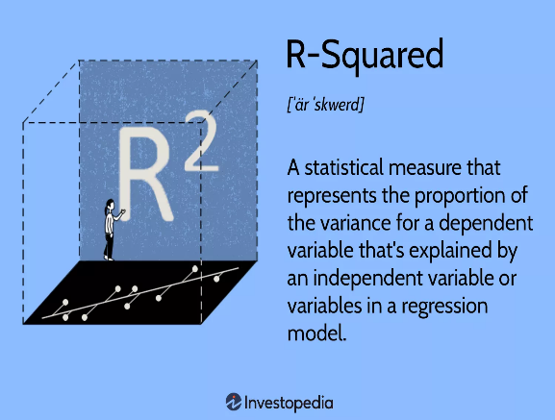

 |  |  | ⇰REFERENCE (Website)-->Investopedia Regarding Conceptual Understanding of Regression Error Metric R2 Square

▣KEY TAKEAWAYS FOR R2 SQUARE

❶R-squared is a statistical measure that indicates how much of the variation of a dependent variable is explained by an independent variable in a regression model. ❷In investing, R-squared is generally interpreted as the percentage of a fund’s or security’s price movements that can be explained by movements in a benchmark index. ❸An R-squared of 100% means that all movements of a security (or other dependent variable) are completely explained by movements in the index (or whatever independent variable you are interested in). |  |  | ⇰REFERENCE (Website)-->Investopedia Regarding Conceptual Understanding of Regression Error Metric R1 Square & Various Key Takeaways by R2 Square | ⇰REFERENCE (Website)-->Udemy Regarding Conceptual Understanding of Various Perf Evaluation Metrics (MAE ,MSE, RMSE, MAPE)

▣EXAMPLES
①According to Geeks for Geeks Coefficient of determination also called as R2 score is used to evaluate the performance of a linear regression model. It is the amount of the variation in the output dependent attribute which is predictable from the input independent variable(s). It is used to check how well-observed results are reproduced by the model, depending on the ratio of total deviation of results described by the model. | 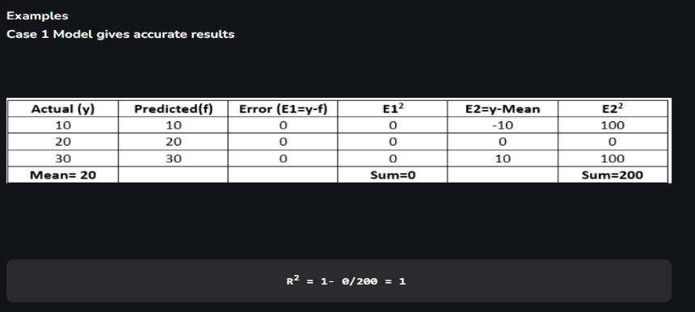
 |  |  | ⇰REFERENCE (Website)-->Geeks for Geeks Regarding Conceptual Understanding of Coefficient of Determination of R2 Square of Error Metrics | ⇰REFERENCE (Website)-->StacksExchange Regarding Conceptual Understanding of Various Definition of (R² Score) (sklearn.metrics.r2_score)

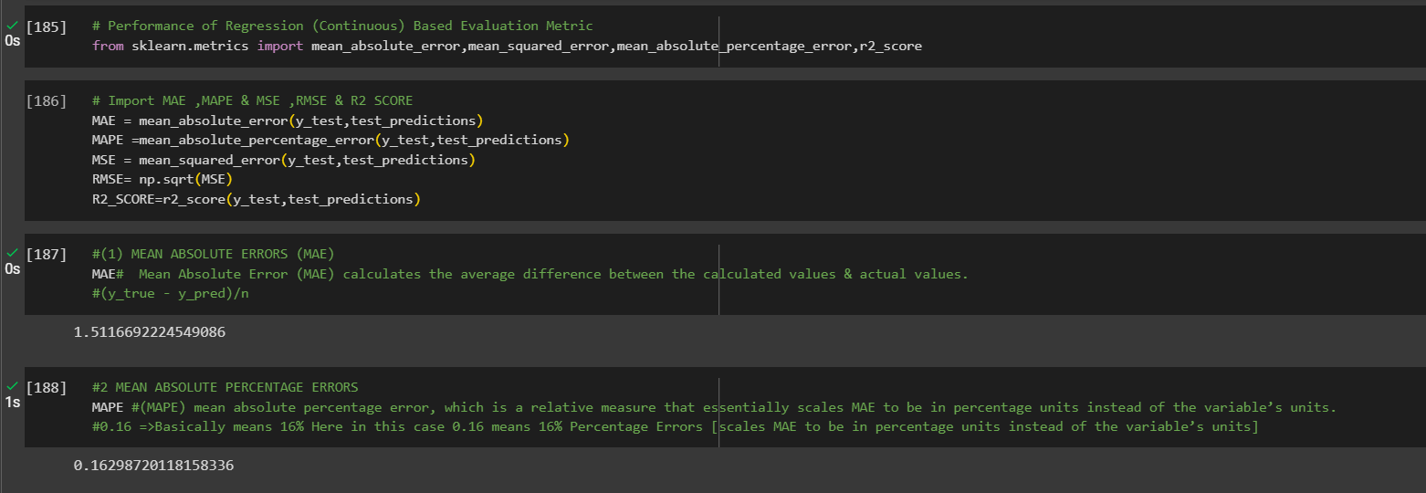 |  |  | ⇰REFERENCE (Website)-->1.2 (Google Colab) Linear Regression Regarding Conceptual Understanding of Various Error Metrics (Perf Eval⇒MAE ,MSE ,MAPE & R2Score)

